Sheet1
 | ENTRY SUBMISSION FORM |  |  |  |  |  |  |  |  | FORM A-3
INDONESIA OPEN AQUATIC CHAMPIONSHIPS 2018
MASTER SWIMMING

:
:
Swimming Club |  |  |  |  |  |  | Country

:
:
Person in Charge |  | - Choose one - |  |  |  |  | Mobile

:
 |  |  |  |  |  |  | E-mail

No. | F u l l N a m e | Date of Birth | Age Group | Gender (M/F) | Freestyle |  | Butterfly | Backstroke | Breaststroke | IM
 |  | DD/MM/YYYY |  |  | 50m | 200m | 50m | 50m | 50m | 200m
- - - Example - - -
 | Farrokh Bulsara | 05/09/1946 | M10 | M | 00.51.22 |  | 00.52.46
1
2
3
4
5
6
7
8
9
10

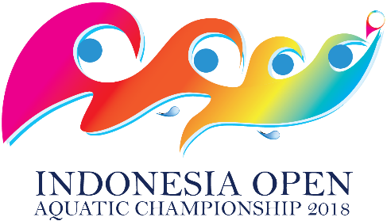
No. | T e a m ' s N a m e | Age Group | Gender | T e a m R e l a y
 |  |  |  | 4x50m Medley | 4x50m Free
- - - Example - - -
 | Brighton Rock | MR3 | Mixed | 03.56.55 | 03.45.44
1
2
3
4
5

